BoQ

Project Technical Documents
Project Code: DR.0060
Project Name : Bor Flood Risk Management
Title: Bill of Quantites
Date: 19 August 2023

Bill of Quantities

The Bill of Quantities shall be read in conjunction with the drawings and the technical specifications, if any. All the works are to be executed as per the drawing and the supervising engineer's instruction and commitment to the following:- 1- All materials and tools must comply with international standards (ISO or ASTM) and be approved by the procurement committee before be priced. 2-The contractor should include in the offer the catalogues, photos and specifications of materials he will supply. 3-The contractor shall perform the surveying works using the appropriate surveying equipment before starting the installation works to determine the path line of excavation and installation depth. 4- Salt resistant cement is used in all construction works. 5- Commitment to using clean water for curing all concrete, buildings, and plastering works per IOM engineer's instruction. 6- The contractor should commit to partial hand over the completed phases of the works and obtain approval from the IOM's engineers before proceeding to the next phase as per the approved work plan after satisfactory inspection of the quantity and quality of works/goods delivered. 7- Commitment to levelling and cleaning the work site before and after the completion of the works, from the remnants of the waste to sites authorised by IOM engineers or local authorities. 8- The contractor is obliged to use safety and security measures while carrying out all work. 9- The contractor should submit a detailed work plan along with each purchase order after signing the contract.
Ref. | Description | Unit | Quantity | Unit cost (USD) | Cost (USD)
1.00 | B-1-2 Gated Culvert |  |  |  | -
1.10 | Site Preparation |  |  |  | -
1.1.1 | Site cleaning including and not limited to removal of rubbish, stumps and any other material existed onsite that even might hinder the site preparation works, with disposal of removed material as per the pre-agreed disposal sites. And installation of safety barriers. as agreed before commencing the contract and shown in technical specifications. | m2 | 207.96
1.20 | Flap Gates |  |  |  | -
1.2.1 | Supply and install 12 mm thick steel flap door (Density = 7850 kg/m3) to fabricate flap gate with dimensions of 1200 mm X 1200 mm | Kilogram | 1140.00
1.2.2 | Supply and install steel frame (Density = 7850 kg/m3) with dimensions of 12 mm thick X 100 mm wide | Kilogram | 270.00
1.2.3 | Supply and install Three steel hinges (Density = 7850 kg/m3) with the dimensions of 70 mm ID 90 mm OD 100 mm long | Kilogram | 125.00
1.2.4 | Supply and install one Seal fabricated from Neoprene sheets (Density = 1230 Kg/m3) with dimensions of 20 mm thick and 50 mm wide | Kilogram | 30.00
1.2.5 | Supply and install three bushes fabricated from bronze rods (Density = 8770 Kg/m3) with the dimensions of 50 mm ID X 70 mm OD X 100 mm long | Kilogram | 105.00
1.2.6 | Supply and install three hinges pins fabricated from Stainless Steel Rod (Density =7850 kg/m3) with the dimensions of 50 mm X100 mm | Kilogram | 95.00
2.00 | B-2-1 Gated Culvert |  |  |  | -
2.10 | Site Preparation |  |  |  | -
2.1.1 | Site cleaning including and not limited to removal of rubbish, stumps and any other material existed onsite that even might hinder the site preparation works, with disposal of removed material as per the pre-agreed disposal sites. And installation of safety barriers. as agreed before commencing the contract and shown in technical specifications. | m2 | 300.76
2.1.2 | Earthwork in excavation for foundation of structures including ulverts, Aprones, Head and Wing Walls, and beds of the whole area of site construction in all types of earth. With keeping larger excavation areas than the construction area for all sides to facilitate the construction process. with adhering to the appropriate depths for each site separately, based on the site’s survey studies and drawing Number BORFMP-DWGS-001. | m3 | 751.91
2.1.3 | Sub-base site Leveling course using agreed material boulder stones, sharp sand and laterite and compaction works before the construction as per the drawings and upon the site engineer satisfaction. | m3 | 90.23
2.20 | Culvert |  |  |  | -
2.2.1 | Providing and laying Cement Concrete with 350kg/m3 for beds to construct the large culvert on, with area of 180.48 m2, includes framework and all needed materials to complete the works. As per drawing no. BORFMP-DWGS-001 and Technical Specifications | m3 | 54.14
2.2.2 | Providing and Casting Concrete with 350kg/m3 for both (apron for all & Per Box), with area of 43.34m2, includes framework and all needed materials to complete the works. As per drawing no. BORFMP-DWGS-001 and Technical Specifications | m3 | 13.00
2.2.3 | Providing and Installing Pre-casted Reinforced Cement Concrete with 350kg/m3 and 12mm diameter bars at 150mm c/c both ways on 2 faces for culverts boxes/barrels and joints in between with centering & shuttering, includes all needed materials and accessories to complete the works. As per drawing no. BORFMP-DWGS-001 & Technical Specifications | m3 | 220.32
2.2.4 | Providing and laying Reinforced Cement Concrete with with 350kg/m3 and 12mm diameter bars at 150mm c/c both ways on 2 faces in sub-structure & super-structure for wingwalls and headwalls, with centering & shuttering, includes all needed materials and accessories to complete the works. As per drawing no. BORFMP-DWGS-001 and Technical Specifications | m3 | 12.99
2.30 | Flap Gates |  |  |  | -
2.3.1 | Supply and install 12 mm thick steel flap door (Density = 7850 kg/m3) to fabricate flap gate with dimensions of 1200 mm X 1200 mm | Kilogram | 1368.00
2.3.2 | Supply and install steel frame (Density = 7850 kg/m3) with dimensions of 12 mm thick X 100 mm wide | Kilogram | 324.00
2.3.3 | Supply and install Three steel hinges (Density = 7850 kg/m3) with the dimensions of 70 mm ID 90 mm OD 100 mm long | Kilogram | 150.00
2.3.4 | Supply and install one Seal fabricated from Neoprene sheets (Density = 1230 Kg/m3) with dimensions of 20 mm thick and 50 mm wide | Kilogram | 36.00
2.3.5 | Supply and install three bushes fabricated from bronze rods (Density = 8770 Kg/m3) with the dimensions of 50 mm ID X 70 mm OD X 100 mm long | Kilogram | 126.00
2.3.6 | Supply and install three hinges pins fabricated from Stainless Steel Rod (Density =7850 kg/m3) with the dimensions of 50 mm X100 mm | Kilogram | 114.00
3.00 | B-3-1 Gated Culvert |  |  |  | -
3.10 | Site Preparation |  |  |  | -
3.1.1 | Site cleaning including and not limited to removal of rubbish, stumps and any other material existed onsite that even might hinder the site preparation works, with disposal of removed material as per the pre-agreed disposal sites. And installation of safety barriers. as agreed before commencing the contract and shown in technical specifications. | m2 | 133.53
3.1.2 | Earthwork in excavation for foundation of structures including culverts, Aprones, Head and Wing Walls, and beds of the whole area of site construction in all types of earth. With keeping larger excavation areas than the construction area for all sides to facilitate the construction process. with adhering to the appropriate depths for each site separately, based on the site’s survey studies and drawing Number BORFMP-DWGS-001. | m3 | 333.82
3.1.3 | Sub-base site Leveling course using agreed material boulder stones, sharp sand and laterite and compaction works before the construction as per the drawings and upon the site engineer satisfaction. | m3 | 40.06
3.20 | Culvert |  |  |  | -
3.2.1 | Providing and laying Cement Concrete with 350kg/m3 for beds to construct the large culvert on, with area of 122.8m2, includes framework and all needed materials to complete the works. As per drawing no. BORFMP-DWGS-001 and Technical Specifications | m3 | 17.77
3.2.2 | Providing and Casting Concrete with 350kg/m3 for both (apron for all & Per Box), with area of 31.34m2, includes framework and all needed materials to complete the works. As per drawing no. BORFMP-DWGS-001 and Technical Specifications | m3 | 13.00
3.2.3 | Providing and Installing Pre-casted Reinforced Cement Concrete with 350kg/m3 and 12mm diameter bars at 150mm c/c both ways on 2 faces for culverts boxes/barrels and joints in between with centering & shuttering, includes all needed materials and accessories to complete the works. As per drawing no. BORFMP-DWGS-001 & Technical Specifications | m3 | 73.44
3.2.4 | Providing and laying Reinforced Cement Concrete with with 350kg/m3 and 12mm diameter bars at 150mm c/c both ways on 2 faces in sub-structure & super-structure for wingwalls and headwalls, with centering & shuttering, includes all needed materials and accessories to complete the works. As per drawing no. BORFMP-DWGS-001 and Technical Specifications | m3 | 12.99
3.30 | Flap Gates |  |  |  | -
3.3.1 | Supply and install 12 mm thick steel flap door (Density = 7850 kg/m3) to fabricate flap gate with dimensions of 1200 mm X 1200 mm | Kilogram | 1368.00
3.3.2 | Supply and install steel frame (Density = 7850 kg/m3) with dimensions of 12 mm thick X 100 mm wide | Kilogram | 324.00
3.3.3 | Supply and install Three steel hinges (Density = 7850 kg/m3) with the dimensions of 70 mm ID 90 mm OD 100 mm long | Kilogram | 150.00
3.3.4 | Supply and install one Seal faricated from Neoprene sheets (Density = 1230 Kg/m3) with dimensions of 20 mm thick and 50 mm wide | Kilogram | 36.00
3.3.5 | Supply and install three bushes fabricated from bronze rods (Density = 8770 Kg/m3) with the dimensions of 50 mm ID X 70 mm OD X 100 mm long | Kilogram | 126.00
3.3.6 | Supply and install three hinges pins fabricated from Stainless Steel Rod (Density =7850 kg/m3) with the dimensions of 50 mm X100 mm | Kilogram | 114.00
4.00 | H 3-4 Gated Culvert |  |  |  | -
4.10 | Site Preparation |  |  |  | -
4.1.1 | Site cleaning including and not limited to removal of rubbish, stumps and any other material existed onsite that even might hinder the site preparation works, with disposal of removed material as per the pre-agreed disposal sites. And installation of safety barriers. as agreed before commencing the contract and shown in technical specifications. | m2 | 102.63
4.1.2 | Earthwork in excavation for foundation of structures including culverts, Aprones, Head and Wing Walls, and beds of the whole area of site construction in all types of earth. With keeping larger excavation areas than the construction area for all sides to facilitate the construction process. with adhering to the appropriate depths for each site separately, based on the site’s survey studies and drawing Number BORFMP-DWGS-001. | m3 | 256.57
4.1.3 | Sub-base site Leveling course using agreed material boulder stones, sharp sand and laterite and compaction works before the construction as per the drawings and upon the site engineer satisfaction. | m3 | 30.79
4.20 | Culvert |  |  |  | -
4.2.1 | Providing and laying Cement Concrete with 350kg/m3 for beds to construct the large culvert on, with area of 40.32m2, includes framework and all needed materials to complete the works. As per drawing no. BORFMP-DWGS-001 and Technical Specifications | m3 | 12.10
4.2.2 | Providing and Casting Concrete with 350kg/m3 for both (apron for all & Per Box), with area of 31.34m2, includes framework and all needed materials to complete the works. As per drawing no. BORFMP-DWGS-001 and Technical Specifications | m3 | 9.40
4.2.3 | Providing and Installing Pre-casted Reinforced Cement Concrete with 350kg/m3 and 12mm diameter bars at 150mm c/c both ways on 2 faces for culverts boxes/barrels and joints in between with centering & shuttering, includes all needed materials and accessories to complete the works. As per drawing no. BORFMP-DWGS-001 & Technical Specifications | m3 | 48.96
4.2.4 | Providing and laying Reinforced Cement Concrete with with 350kg/m3 and 12mm diameter bars at 150mm c/c both ways on 2 faces in sub-structure & super-structure for wingwalls and headwalls, with centering & shuttering, includes all needed materials and accessories to complete the works. As per drawing no. BORFMP-DWGS-001 and Technical Specifications | m3 | 10.29
4.30 | Flap Gates |  |  |  | -
4.3.1 | Supply and install 12 mm thick steel flap door (Density = 7850 kg/m3) to fabricate flap gate with dimensions of 1200 mm X 1200 mm | Kilogram | 912.00
4.3.2 | Supply and install steel frame (Density = 7850 kg/m3) with dimensions of 12 mm thick X 100 mm wide | Kilogram | 216.00
4.3.3 | Supply and install Three steel hinges (Density = 7850 kg/m3) with the dimensions of 70 mm ID 90 mm OD 100 mm long | Kilogram | 100.00
4.3.4 | Supply and install one Seal faricated from Neoprene sheets (Density = 1230 Kg/m3) with dimensions of 20 mm thick and 50 mm wide | Kilogram | 24.00
4.3.5 | Supply and install three bushes fabricated from bronze rods (Density = 8770 Kg/m3) with the dimensions of 50 mm ID X 70 mm OD X 100 mm long | Kilogram | 84.00
4.3.6 | Supply and install three hinges pins fabricated from Stainless Steel Rod (Density =7850 kg/m3) with the dimensions of 50 mm X100 mm | Kilogram | 76.00
5.00 | B-5-2 Large Culvert |  |  |  | -
5.10 | Site Preparation |  |  |  | -
5.1.1 | Site cleaning including and not limited to removal of rubbish, stumps and any other material existed onsite that even might hinder the site preparation works, with disposal of removed material as per the pre-agreed disposal sites. And installation of safety barriers. as agreed before commencing the contract and shown in technical specifications. | m2 | 231.16
5.1.2 | Earthwork in excavation for foundation of structures including culverts, Aprones, Head and Wing Walls, and beds of the whole area of site construction in all types of earth. With keeping larger excavation areas than the construction area for all sides to facilitate the construction process. with adhering to the appropriate depths for each site separately, based on the site’s survey studies and drawing Number BORFMP-DWGS-001. | m3 | 577.91
5.1.3 | Sub-base site Leveling course using agreed material boulder stones, sharp sand and laterite and compaction works before the construction as per the drawings and upon the site engineer satisfaction. | m3 | 69.35
5.20 | Culvert |  |  |  | -
5.2.1 | Providing and laying Cement Concrete with 350kg/m3 for beds to construct the large culvert on, with area of 65.28 m2, includes framework and all needed materials to complete the works. As per drawing no. BORFMP-DWGS-001 and Techncial Specifications | m3 | 36.86
5.2.2 | Providing and Casting Concrete with 350kg/m3 for both (apron for all & Per Box), with area of 19.34m2, includes framework and all needed materials to complete the works. As per drawing no. BORFMP-DWGS-001 and Techncial Specifications | m3 | 9.40
5.2.3 | Providing and Installing Pre-casted Reinforced Cement Concrete with 350kg/m3 and 12mm diameter bars at 150mm c/c both ways on 2 faces for culverts boxes/barrels and joints in between with centering & shuttering, includes all needed materials and accessories to complete the works. As per drawing no. BORFMP-DWGS-001 & Technical Specifications | m3 | 146.88
5.2.4 | Providing and laying Reinforced Cement Concrete with with 350kg/m3 and 12mm diameter bars at 150mm c/c both ways on 2 faces in sub-structure & super-structure for wingwalls and headwalls, with centering & shuttering, includes all needed materials and accessories to complete the works. As per drawing no. BORFMP-DWGS-001 and Technical Specifications | m3 | 10.29
5.30 | Drainage |  |  |  | -
5.3.1 | Excavation of 700 meter long Drainage canals with the dimensions of 0.8 meter depth and 2 meters bottom width, Side slope of the swale 1:2 Slope including suitable grass on of top soil 150 mm | Cubic Meter | 1120.00
5.3.2 | Supply and installation of wooden footpath passage using well treated and seasoned wood on completion of excavation work at all crossing points to aid movement of people over the drainage channel | LS | 1.00
6.00 | B-8-1 Gated Culvert |  |  |  | -
6.10 | Site Preparation |  |  |  | -
6.1.1 | Site cleaning including and not limited to removal of rubbish, stumps and any other material existed onsite that even might hinder the site preparation works, with disposal of removed material as per the pre-agreed disposal sites. And installation of safety barriers. as agreed before commencing the contract and shown in technical specifications. | m2 | 196.36
6.1.2 | Earthwork in excavation for foundation of structures including culverts, Aprones, Head and Wing Walls, and beds of the whole area of site construction in all types of earth. With keeping larger excavation areas than the construction area for all sides to facilitate the construction process. with adhering to the appropriate depths for each site separately, based on the site’s survey studies and drawing Number BORFMP-DWGS-001. | m3 | 490.91
6.1.3 | Removal of existing temporary culverts for foundation works of structures to proceed. These culverts are to be removed carefully in order to avoid damage as they are to be reinstalled in proper alignement with the new precast culverts. | LS | 1.00
6.1.4 | Sub-base site Leveling course using agreed material boulder stones, sharp sand and laterite and compaction works before the construction as per the drawings and upon the site engineer satisfaction. | m3 | 58.91
6.20 | Culvert |  |  |  | -
6.2.1 | Providing and laying Cement Concrete with 350kg/m3 for beds to construct the large culvert on, with area of 94.08m2, includes framework and all needed materials to complete the works. As per drawing no. BORFMP-DWGS-001 and Technical Specifications | m3 | 28.22
6.2.2 | Providing and Casting Concrete with 350kg/m3 for both (apron for all & Per Box), with area of 25.34m2, includes framework and all needed materials to complete the works. As per drawing no. BORFMP-DWGS-001 and Technical Specifications | m3 | 7.60
6.2.3 | Providing and Installing Pre-casted Reinforced Cement Concrete with 350kg/m3 and 12mm diameter bars at 150mm c/c both ways on 2 faces for culverts boxes/barrels and joints in between with centering & shuttering, includes all needed materials and accessories to complete the works. As per drawing no. BORFMP-DWGS-001 & Technical Specifications | m3 | 73.44
6.2.4 | Reinstallation of the removed precast culvert boxes/barrels in alignment with the new precast culverts. Providing and Installing additional Pre-casted Reinforced Cement Concrete with 350kg/m3 and 12mm diameter bars at 150mm c/c both ways on 2 faces for culverts boxes/barrels and joints in between with similar design and size to the removed culvert boxes with centering & shuttering, includes all needed materials and accessories to complete the works. As per drawing no. BORFMP-DWGS-001 & Technical Specifications | m3 | 21.42
6.2.5 | Providing and laying Reinforced Cement Concrete with with 350kg/m3 and 12mm diameter bars at 150mm c/c both ways on 2 faces in sub-structure & super-structure for wingwalls and headwalls, with centering & shuttering, includes all needed materials and accessories to complete the works. As per drawing no. BORFMP-DWGS-001 and Technical Specifications | m3 | 8.94
6.2.6 | Backfill and compaction using excavated material for foundation of structures including culverts, Aprones, Head and Wing Walls, and beds of the whole area of the site | m2 | 196.36
6.30 | Flap Gates |  |  |  | -
6.3.1 | Supply and install 12 mm thick steel flap door (Density = 7850 kg/m3) to fabricate flap gate with dimensions of 1200 mm X 1200 mm | Kilogram | 684.00
6.3.2 | Supply and install steel frame (Density = 7850 kg/m3) with dimensions of 12 mm thick X 100 mm wide | Kilogram | 162.00
6.3.3 | Supply and install Three steel hinges (Density = 7850 kg/m3) with the dimensions of 70 mm ID 90 mm OD 100 mm long | Kilogram | 75.00
6.3.4 | Supply and install one Seal faricated from Neoprene sheets (Density = 1230 Kg/m3) with dimensions of 20 mm thick and 50 mm wide | Kilogram | 18.00
6.3.5 | Supply and install three bushes fabricated from bronze rods (Density = 8770 Kg/m3) with the dimensions of 50 mm ID X 70 mm OD X 100 mm long | Kilogram | 63.00
6.3.6 | Supply and install three hinges pins fabricated from Stainless Steel Rod (Density =7850 kg/m3) with the dimensions of 50 mm X100 mm | Kilogram | 57.00
Total |  |  |  |  | $-

Large Culvert
 |  |  |  |  | LARGE CULVERT GEOMETRIC PROPERTIES (INITIAL DESIGN SIZING)
 |  |  |  |  | General Parameters |  |  | Culvert Box |  |  | Culvert Joint (per box) |  |  | Bed (per box) |  |  | Apron (adjacent to wing wall) for both upstream and downstream sections |  |  | Apron infront of culvert boxes (per barrel) for both upstream and downstream sections |  |  | Headwall (per barrel) for both upstream and downstream sections |  |  | Wingwalls
SUMMARY FOR CALCULATED QUANTITIES PER BOX/BARREL OF CULVERT |  |  |  |  | Property | Qty | Unit | Property | Qty | Unit | Property | Qty | Unit | Property | Qty | Unit | Property | Qty | Unit | Property | Qty | Unit | Property | Qty | Unit | Property | Qty | Unit
# | Item | Quantity Calculated | Unit of Calculation |  | Box Length | 1.6 | m | Thickness | 0.3 | m | Thickness | 0.1 | m | Thickness | 0.3 | m | Apron Length | 2 | m | Apron Length | 2.00 | m | Height above box | 0.5 | m | Height | 1 | m
1 | Culvert | (To be multiplied by length and no. of barrels) |  |  | Box Height | 1.5 | m | Perimeter | 6.00 | m | Area | 1.80 | m2 | Width | 1.5 | m | Apron Width | 1.835 | m | Apron Width | 1.50 | m | Thickness | 0.3 | m | Length | 2.71 | m
 | Box | 2.88 | m3 per box |  | Box Width | 1.5 | m | Area | 1.80 | m2 | Volume | 0.18 | m3 | Length | 1.6 | m | Thickness | 0.30 | m | Thickness | 0.30 | m | Width | 1.50 | m | Lower Volume | 3.26 | m3
 | Joint | 0.18 | m3 per box |  |  |  |  | Volume | 2.88 | m3 |  |  |  | Volume | 0.72 | m3 | Volume | 2.20 | m3 | Volume | 1.80 | m3 | Volume | 0.45 | m3 | Upper Volume | 1.63 | m3
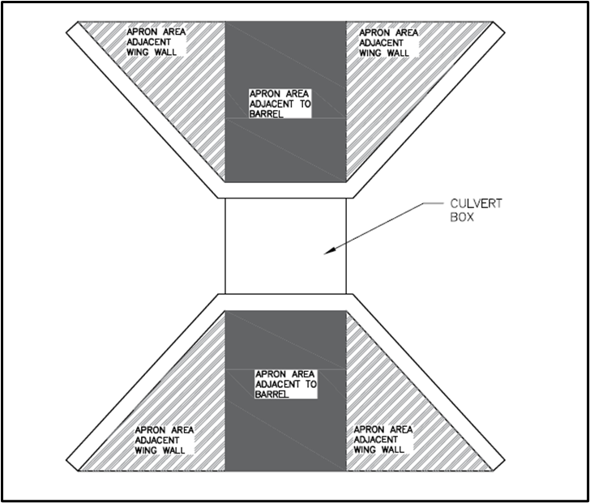
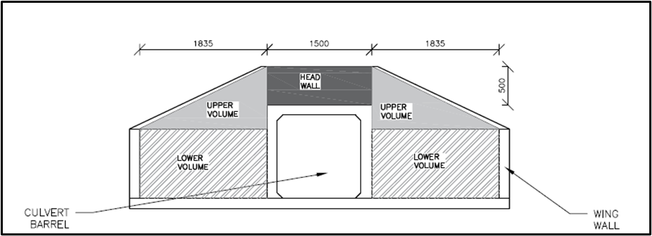
 | Bed | 0.72 | m3 per box
2 | Apron
 | Apron (for all) | 2.20 | m3 for all (independent of no. of barrels)
 | Apron (per box) | 1.80 | m3 per barrel |  |  |  |  | 38.202
3 | RC Structure
 | Headwall | 0.45 | m3 per barrel
 | Wingwalls | 4.89 | m3 for all

 | Table for material and parameter multiplication |  |  |  |  |  |  |  | 34.56
 |  | per box | per barrel | per asset
 | Precast Reinforced Concrete (RC) | 2.88
 | In Situ Reinforced Concrete (RC) | - | 0.45 | 4.8856738532
 | Joint Filler | 0.18
 | Concrete | 0.72 | 1.8 | 2.202

KEY
All input values in blue against dark gray backgound
All calculated values in green against light grey background

 |  |  |  |  |  |  |  |  |  |  |  |  |  |  |  | Appendix A5.1 barrel sizes |  |  |  | Upstream and downstream,

 |  |  |  |  |  |  |  |  | 424.94 | 424.8 |  | 0.14 | 400 | 2800
 |  |  |  |  |  |  |  |  |  | 0.14 |  | 1 | 100
 |  |  |  |  |  |  |  |  |  | 0.00035 |  |  | 0.01

Flap Gates
 |  |  |  | FLAP GATES
 |  |  |  | General Parameters |  |  |  |  | Flap door assumed to comprise: |  |  |  | Material
 |  |  |  |  |  |  | 1 | no. | Plate | 12 | mm | thick | Steel | 7850 | kg/m3
 |  |  |  | Height | 1200 | mm | 3 | no. | Beams | 127 | mm | UB | Steel | 15 | kg/m
 |  |  |  | Width | 1200 | mm | 3 | no. | Hinge brackets | 70 | mm | ID | Steel | 7850 | kg/m3
Flap Door | Volume= | 0.0173 | m3 |  |  |  |  |  |  | 90 | mm | OD
 | Material= | Steel |  |  |  |  |  |  |  | 100 | mm | long
 | Mass= | 228 | kg (inc 20% for welds & paint) |  |  |  | 3 | no. | Bush | 50 | mm | ID | Bronze | 8770 | kg/m3
Frame | Volume= | 0.0058 | m3 |  |  |  |  |  |  | 70 | mm | OD
 | Material= | Steel |  |  |  |  |  |  |  | 100 | mm | long
 | Mass= | 54 | kg (inc 20% for welds & paint) |  |  |  | 3 | no. | Hinge pins | 50 | mm | OD | Stainless steel | 7850 | kg/m3
Hinges | Volume= | 0.0030 | m3 | 0.0023 | m3 | 0.0024 | m3 |  |  | 100 | mm | long
 | Material= | Steel |  | Bronze |  | Stainless steel | 1 | no. | Seal | 20 | mm | thick | Neoprene | 1230 | kg/m3
 | Mass= | 25 |  | 21 |  | 19 | kg (inc 5% contingency) |  |  | 50 | mm | wide
Seal | Volume= | 0.0048 | m3
 | Material= | Neoprene |  |  |  |  |  |  | Flap frame assumed to comprise: |  |  |  | Material
 | Mass= | 6 | kg (inc 5% contingency) |  |  |  | 1 | no. | Plate | 12 | mm | thick | Steel | 7850 | kg/m3
 |  |  |  |  |  |  |  |  |  | 100 | mm | wide

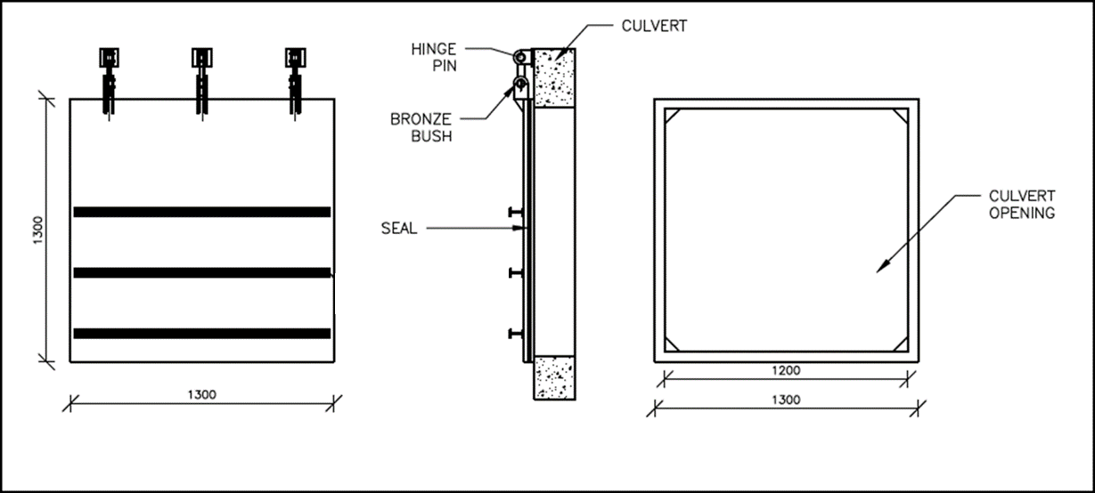
 |  | required if good metal to metal seal is not possible
 |  | 60 to 70 shore
 |  | hardness is important
 |  | EPDM
Summary for material estimate sheet
 | Steel | Neoprene | Bronze | Stainless Steel
 | plates | sheet | rod | rod
 | 307 | 6 | 21 | 19
 | kg | kg | kg | kg

