Sheet1
 | Bill of Materials for OIHS Bldg. 10, OIHS Bldg. 11, FES Bldg, 1, FES Bldg. 2, FES Toilet Bldg. and Asor Elem. School

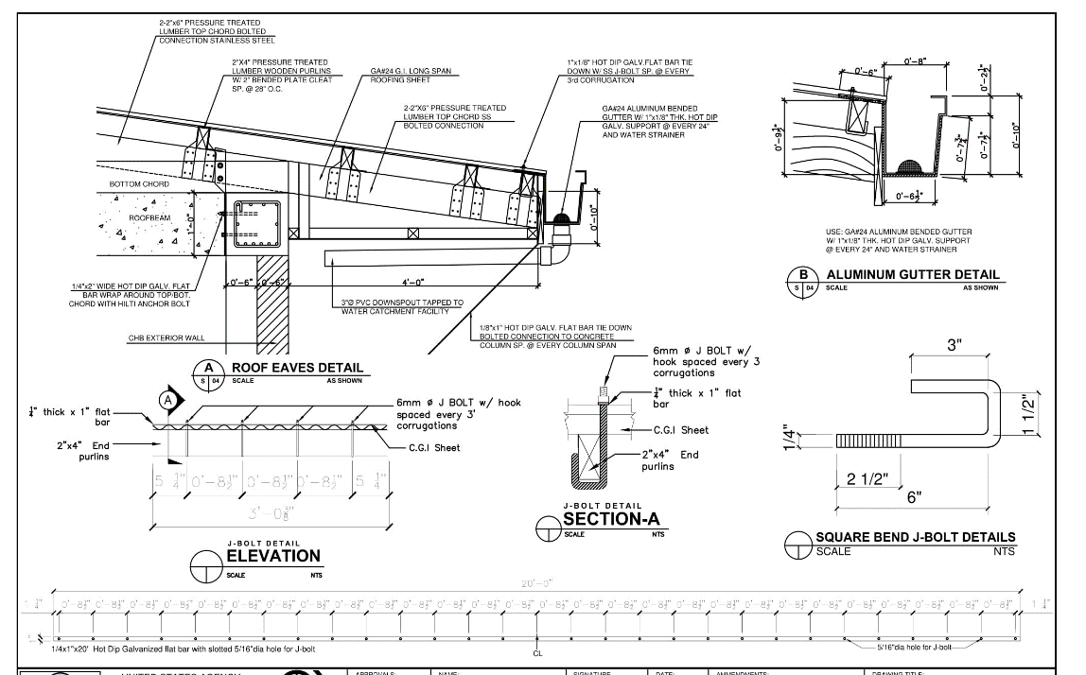
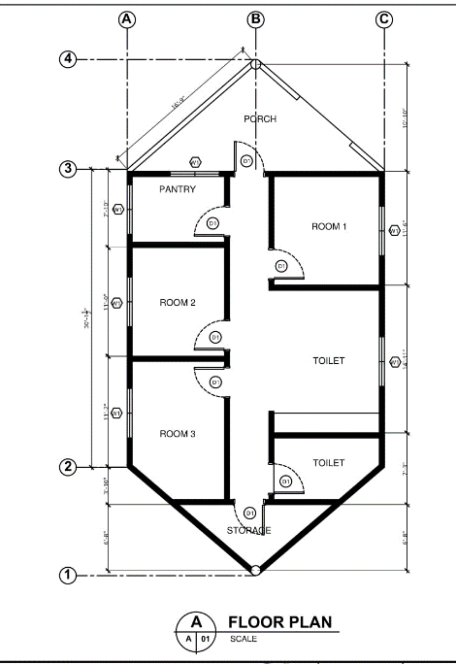
1 | 2" x 4" 16 ft, Lumber, CAC Treated, | 126 | ea.
2 | 2" x 6" 16 ft Lumber, CAC Treated, | 6 | ea.
3 | # 2 THW, THHN Copper wire, Black | 4 | box
4 | # 2 THW, THHN Copper wire, Green | 4 | box
5 | # 2 THW, THHN Copper wire, White | 4 | boxes
6 | #12 Stranded wire THHN Blue | 13 | boxes
7 | #12 Stranded wire THHN Green | 13 | boxes
8 | #12 Stranded wire THHN Red | 13 | boxes
9 | #12 x 1-1/2" Steel Bright Ring DryWall Nails (1 lb./pack) | 8 | packs
10 | #13 x 1-5/8" Phosphate Coated Drywall Nails (1 lb./pack) | 12 | packs
11 | 1 1/2" diameter Galvanized Rigid Conduit 20ft. | 4 | pcs
12 | 1 1/2" Hardiflex Nails Galvanized 100 pcs/pack | 101 | packs
13 | 1" Hardiflex Nails Galvanized 100 pcs/pack | 6 | packs
14 | 1" x 8" x 16 ft,Lumber, CAC Treated | 5 | ea.
15 | 1" x10" x 16 ft, Lumber, CAC Treated, | 12 | ea.
16 | 1/2" dia. Stainless Steel or PVC Angle Valve | 8 | pcs
17 | 1/2" dia. Stainless Steel or PVC Ball Valve 110psi or higher | 3 | pcs
18 | 1/2" dia. Stainless Steel or PVC Faucet | 2 | pcs
19 | 1/2" dia. Stainless Steel or PVC Flexible supply Pipe 16" for Lavatory | 3 | pcs
20 | 1/2" dia. Stainless Steel or PVC Flexible supply Pipe 16" for Water Closet | 3 | pcs
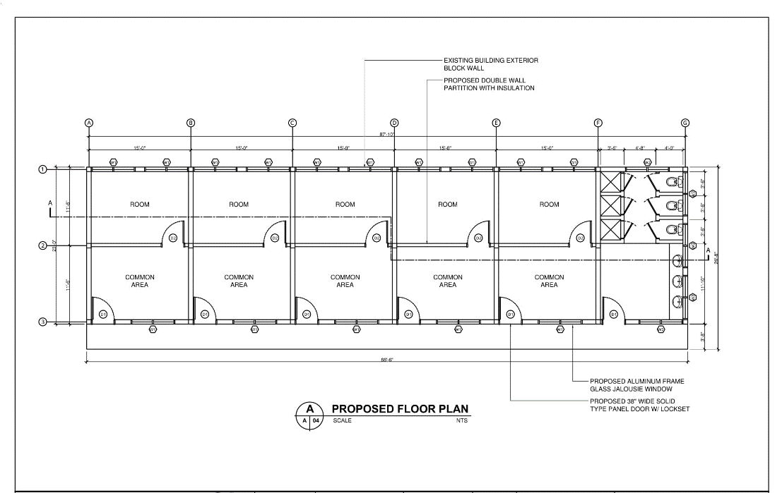
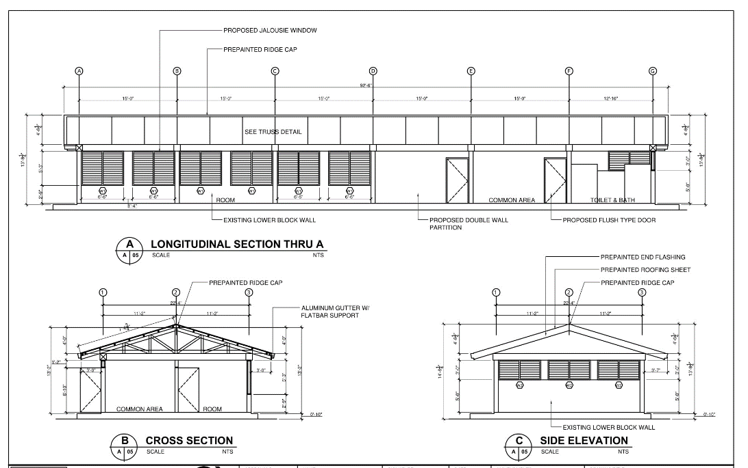
21 | 1/2" diameter x 20', painted or pvc coated deformed reinforcing bars grade 40 or 60 | 345 | pcs
22 | 1/2x6" Machine Bolts Stainless steel or Hot dip Galvanized bolts w/ 3" thread with nuts and washers | 590 | pcs
23 | 1/2x8" Machine Bolts Stainless steel or Hot dip Galvanized bolts w/ 3" thread with nuts and washers | 4,150 | pcs
24 | 1/4" thick x 2"wide x 6" Angle plate/ Ga 25/24 g.i plate wrap member to TC and BC | 160 | pcs
25 | 1/4" thk. 4'x8' Hardiflex Cement Board | 307 | pcs
26 | 1/4x1"x20' Hot Dip Galvanized flat bar Aluminum gutter support | 10 | pcs
27 | 1/4x1"x20' Hot Dip Galvanized flat bar with slotted 1/4"dia hole for J-bolt | 61 | pcs
28 | 12"x12" Ceramic Floor Tiles | 20 | pcs
29 | 14" x 8' Prefabricated Galvanized Gable Trim, End Flashing | 7 | ea.
30 | 15/32 x4'x8' CAC Treated Plywood | 227 | pcs
31 | 2" x 4" x 16 ft. Lumber, CAC Treated, | 174 | ea.
32 | 28"x82" PVC Hollow Core w/ louver Door w/ dood jamb | 6 | pcs
33 | 2x4x12' CACTreated Lumber | 853 | pcs
34 | 2x4x14' CAC Treated Lumber | 588 | pcs
35 | 2x4x16' CACTreated or equivalent Pressure Treated Lumber | 492 | pcs
36 | 2x6x12' CAC Treated Lumber | 22 | pcs
37 | 2x6x14'CAC Treated Lumber | 292 | pcs
38 | 2x6x16 ft CAC Treated Lumber | 245 | ea.
39 | 2x6x18' CAC Treated Lumber | 133 | pcs
40 | 2x8x16' Kiln Dried, CAC Treated Lumber | 196 | pcs
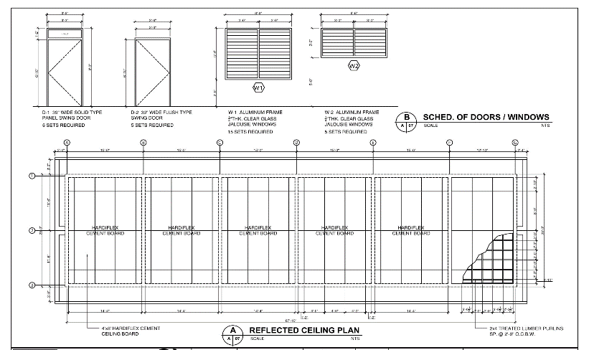
41 | 3" PVC SCH 40/80 Gray Pipe | 36 | pcs
42 | 3" PVC SCH 40/80 Gray Pipe 45deg Elbow | 54 | pcs
43 | 3" PVC SCH 40/80 Gray Pipe 90deg Elbow | 54 | pcs
44 | 3" PVC SCH 40/80 Gray Pipe Coupling | 54 | pcs
45 | 3"x3"X1/4" thk. Angular plate purlins steel cleats x 20ft | 78 | length
46 | 3/4 x4'x8' CAC Treated Marine Plywood | 109 | pcs
47 | 3/8" diameter x 20', painted or pvc coated deformed reinforcing bars grade 40 or 60 | 386 | pcs
48 | 32" x 32" Shower Box with floor drain | 3 | sets
49 | 4" dia. Stainless Steel Floor Drain (Metma) | 5 | pcs
50 | 4"x3" Stainlees Steel LP Hinge | 104 | pcs
51 | 4"x4" Ceramic Wall Tiles | 20 | pcs
52 | 4'x8' Formica Laminated White | 41 | pcs
53 | 5/8" dia, 8' Ground Rod and Connectors | 4 | pc
54 | 5/8" diameter x 20', painted or pvc coated deformed reinforcing bars grade 40 or 60 | 414 | pcs
55 | 6" thk. CHB Load Bearing 400-600 psi | 2,460 | pcs
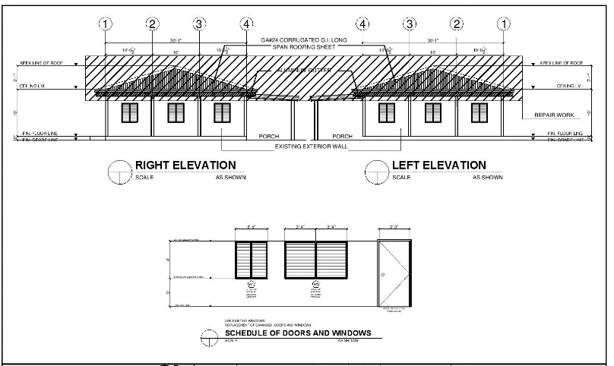
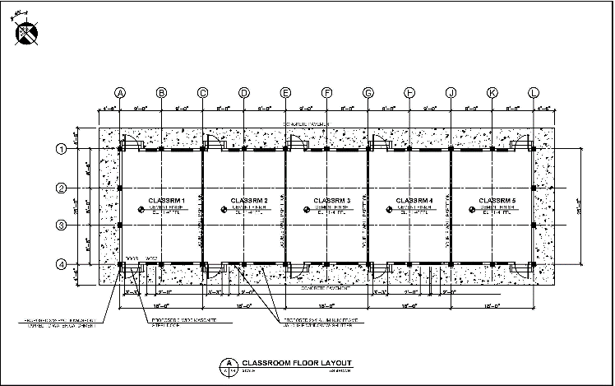
56 | Acrytex Exterior Wall Latex Paint Light Blue | 58 | gals
57 | Amerimax Home Products 5" x 10' White K-Style Aluminum Gutter | 26 | pcs
58 | Blind rivets 1/8x1/2 Aluminum 120 pcs pack | 14 | boxes
59 | Bulb Receptacle | 36 | pcs
60 | Circuit Breaker,20 Amps, 2 Pole | 20 | ea
61 | Circuit Breaker,15 Amps, 2 Pole | 10 | ea
62 | Concrete Neutralizer | 11 | gal
63 | Convenience Outlet Plate and Cover 3 gang | 55 | sets
64 | Corrugated Prepainted Long Span Roofing 0.4mm thick x 3 ft. x 14 ft. L Stancor, Jacinto steel or Equivalent | 7 | ea.
65 | Corrugated Prepainted Long Span Roofing 0.4mm thick x 3 ft. x 24ft. L, Stancor Jacinto Steel or Euivalent | 24 | ea.
66 | Corrugated Prepainted Long Span Roofing 0.4mm thick, x 3 ft. x 18 ft. L Stancor Jacinto Steel or Equivalent | 24 | ea.
67 | Door Barrel Bolt | 7 | ea.
68 | Door Hinges, 3-1/2" x 3-1/2" LP, SS | 25 | ea.
69 | Door Jamb, 5" wide Prime Frame | 7 | ea.
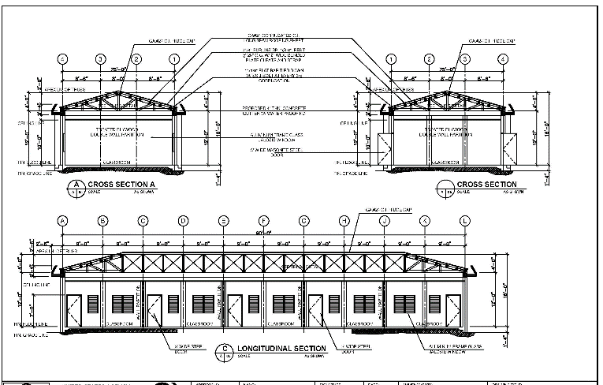
70 | Door Jamb, 6" wide Prime Frame | 1 | ea.
71 | Door, Double Cylinder Knob Combo Pack Double barrel | 7 | each
72 | Door, Solid, 30" x 80" | 6 | ea.
73 | Door, Solid, 36" x 80" | 1 | ea.
74 | Downspout Strainer | 10 | ea.
75 | Elongated Porcelain Water Closet with 4Li Flush Tank / Dual Flush | 3 | sets
76 | Flat Bar, 1/4" x 1" x 16", HDG, Gutter Support | 108 | ea.
77 | Flat Bar, 1/4" x 1" x 20 ft. HDG, with prepunch 5/16" hole | 2 | ea.
78 | Flexible PVC Conduit Orange Sched 20 1" dia 100m Roll | 16 | rolls
79 | G.I. Ridge cap, prefabricated 14" x 8' Ga. 24 | 3 | ea.
80 | Galvanized Concrete Nails 1" | 18 | lbs
81 | Galvanized Concrete Nails 2" | 18 | lbs
82 | Galvanized Concrete Nails 3" | 50 | lbs
83 | Galvanized Concrete Nails 4" | 18 | lbs
84 | Gauge 16 tie wire/10 lbs Galvanized | 46 | rolls
85 | Grip-Rite #13 x 2 in. 6 Penny Bright Steel Smooth Shank Common Nails (5 lb.-Pack) Galvanized | 3 | packs
86 | Grip-Rite #14 x 1 in. 6 Penny Bright Steel Smooth Shank Common Nails (5 lb.-Pack) Galvanized | 3 | packs
87 | Grip-Rite #6 x 4 in. 20-Penny Bright Steel Smooth Shank Common Nails (30 lb.-Pack) Galvanized | 26 | packs
88 | Grip-Rite #8 x 3 in. 16 Penny Bright Steel Smooth Shank Common Nails (5 lb.-Pack) Galvanized | 101 | packs
89 | Grip-Rite Umbrella Roof Nails Hot Dip Galvanized 3" Twisted Rainshank | 131 | lbs
90 | Gutter Amerimax, 6" Aluminum Strip Mitter | 6 | ea.
91 | Gutter Amerimax, 6" x 10' Aluminum K-Style | 20 | ea.
92 | Gutter, Amerimax, 6" Aluminum End Cap(Left and Right, 1 set=2 pcs) | 4 | sets
93 | Gutter, Amerimax, 6" Alumnum Downspout Outlet | 8 | ea.
94 | Gutter, Prefabricated Galvanized 24" x 8', Ga. 24 | 3 | ea.
95 | Gutter, Prefabricated Galvanized 3" dia. Downspout Outlet, Ga. 24 | 2 | ea.
96 | Gutter, Prefabricated Galvanized End Cap (Left & Right), Ga. 24 | 2 | ea.
97 | Hand Riveter, Heavy Duty | 1 | ea.
98 | Handy Paint Tray | 16 | ea.
99 | Hardiflex Cement Board, 5/16 thick | 39 | ea.
100 | Hardiflex Cement Board, 5/8 thick | 40 | ea.
101 | HILTI 1/2 in. x 4 in. Kwik Bolt 1 Long Thread Carbon Steel Expansion Anchors | 260 | pcs
102 | HILTI 1/2 in. x 4 in. Kwik Bolt 1 Long Thread Galvanized Expansion Anchors | 200 | pcs
103 | HILTI 1/2" x 4-1/2" Kwik Bolt, 3 Long Thread Tension Zone Carbon Steel Expansion Anchors | 110 | ea.
104 | Hot Dip Galvanized 6-8 mm dia threaded at straight end /as per roofing manufacturers recommendation Roofing J Bolt with nut / washer | 1,130 | pcs
105 | Hurricane Tie, 3" Truss Mending Plate | 170 | ea.
106 | Hurricane Tie, Strap Tie | 50 | ea.
107 | Hurricane Tie, Wrap around Purlins to TC or TC to BC | 240 | ea.
108 | Insulation 3/4"x4'x8' for Walls | 124 | pcs
109 | J Bolt, 1/4" x 6" x 2" x 2" with lock nut and washer, SS | 110 | ea.
110 | Joint Compound. 3.5 gal. | 7 | ea.
111 | Joint Sealer for Ceiling and Partition Wall | 8 | gals
112 | Joint Tape, 2" x 250' Ultra Strength | 20 | ea.
113 | Junction Box 4"x4" PVC | 95 | pcs
114 | LED 32 Watts or Higher Flourescent Lamp plus hung type holder/ballast | 86 | pcs
115 | LED Bulb 9 Watts or Higher | 62 | pcs
116 | Lighting Swith Plate and Cover 1 gang | 5 | sets
117 | Lighting Swith Plate and Cover 2 gang | 6 | sets
118 | Lighting Swith Plate and Cover 3 gang | 24 | sets
119 | Lock Nut 1/2", HDG | 940 | ea.
120 | Machine Bolt , 1/2" x 6", SS or HDG with 3" thread | 300 | ea.
121 | Machine Bolt , 1/2" x 8", SS or HDG with 3" thread | 530 | ea.
122 | Masking Paper general purpose | 28 | ea.
123 | Masking tape 3M 1" | 28 | ea.
124 | Masking tape 3M 2" | 28 | ea.
125 | Masonite Model # 87292 Internet # 100013778 Store SKU # 378571 36 in. x 80 in. 6-Panel Unfinished Fir Front Door Slab | 19 | pcs
126 | Masonite Model 39"x82" Treated Wooden Panel Door Slab | 11 | pcs
127 | Metal Sales 14" x 10.5' Galvalume Universal Gable Trim | 8 | ea.
128 | Metal Sales 14"x10.5' Galvalume Universal Ridge Cap | 29 | pcs
129 | Metal Sales 14"x10.5' Galvalume Universal Ridge Flashing | 40 | pcs
130 | Meterbase 100A, 2P, 3-Wire, Single Phase, Cutler Hammer, high quality G90 Steel, Polyester Coated Enclosure, 12.3"H x 8.5"W x 4.5"D | 4 | sets
131 | Mini paint roller 2" | 16 | ea.
132 | Nails, Common 2-1/2" (8D), HDG | 10 | lbs.
133 | Nails, Common 4" (12D), HDG | 5 | lbs.
134 | Nails, Common, 1-1/2" (4D), HDG | 10 | lbs
135 | Nails, Common, 2" (6D), HDG | 5 | lbs
136 | Nails, Common, 3" (10D), HDG | 27 | lbs
137 | Nails, Common, 4" (6D), HDG | 10 | lbs
138 | Nails, Umbrella with Shank, 3", G.I. with Rubber washer | 56 | lbs
139 | NEMA-1 Panel Board, 100AF, 2P, 3W, 120/240 V, with plug-in type 100A Main Circuit Breaker,6 branches | 4 | set
140 | Nut 1/2" HDG | 940 | ea.
141 | Paint Brush 1" | 16 | ea.
142 | Paint Brush 2" | 34 | ea.
143 | Paint Brush 4" | 34 | ea.
144 | Paint Roller 9" | 16 | ea.
145 | Paint roller cover 9" x 3/8" | 16 | ea.
146 | Paint Thinner | 26 | gals
147 | Paint, Flat Enamel, White | 6 | gals.
148 | Paint, Primer, Water Base | 12 | gals.
149 | Paint, Roller Brush, 6" | 9 | ea.
150 | Paint, Roller Tray 9" | 6 | ea.
151 | Paint, Semi Gloss Latex - White | 12 | gals.
152 | Patching Compound | 33 | gals
153 | Phenolic Plywood 1/2x4'x8' | 50 | pcs
154 | Porcelain Counter type Lavatory set with brackets and faucet | 3 | sets
155 | Prepainted Roofing .4mm thickx3 ftx15ft L stancor Jacinto steel or equivalent | 80 | pcs
156 | Prepainted Roofing .4mm thickx3 ftx16ft L stancor Jacinto steel or equivalent | 64 | pcs
157 | Prepainted Roofing .4mm thickx3 ftx18ft L stancor Jacinto steel or equivalent | 70 | pcs
158 | Prepainted Roofing .4mm thickx3 ftx24ft L stancor Jacinto steel or equivalent | 30 | pcs
159 | Putty Knives 2" | 16 | ea.
160 | Putty Knives 4" | 16 | ea.
161 | PVC Cement, 32 oz. | 2 | ea.
162 | PVC Elbow 90 deg. , 3" dia.. Sch. 40 | 24 | ea.
163 | PVC Pipe ,3" dia. X 10 ft. , sched. 40 | 11 | ea.
164 | PVC Pipe Gray 2" dia. Sched 40/80 for Sewer Line | 4 | pcs
165 | PVC Pipe Gray 2" dia. Sched 40/80 for Sewer Line Clean out | 8 | pcs
166 | PVC Pipe Gray 2" dia. Sched 40/80 for Sewer Line Coupling | 8 | pcs
167 | PVC Pipe Gray 2" dia. Sched 40/80 for Sewer Line Tee | 8 | pcs
168 | PVC Pipe Gray 2" dia. Sched 40/80 for Sewer Line Wye | 8 | pcs
169 | PVC Pipe Gray 2" dia. Sched 40/80 for Sewer P-trap / S-trap | 8 | pcs
170 | PVC Pipe Gray 4" dia. Sched 40/80 for Sewer Line | 4 | pcs
171 | PVC Pipe Gray 4" dia. Sched 40/80 for Sewer Line 45d Elbow | 6 | pcs
172 | PVC Pipe Gray 4" dia. Sched 40/80 for Sewer Line 90d Elbow | 6 | pcs
173 | PVC Pipe Gray 4" dia. Sched 40/80 for Sewer Line Clean out | 3 | pcs
174 | PVC Pipe Gray 4" dia. Sched 40/80 for Sewer Line Coupling | 6 | pcs
175 | PVC Pipe Gray 4" dia. Sched 40/80 for Sewer Line Tee | 6 | pcs
176 | PVC Pipe Gray 4" dia. Sched 40/80 for Sewer Line Wye | 6 | pcs
177 | PVC Pipe Gray 4"x2" dia. Sched 40/80 for Sewer Line Tee | 6 | pcs
178 | PVC Pipe Gray 4"x2" dia. Sched 40/80 for Sewer Line Wye | 8 | pcs
179 | PVC pipe strap/3/4 in oatey 3/4 in galv steel hanger strap 10 ft Hot Dip Galvanized | 162 | pcs
180 | PVC Pipe White 1/2" dia. Sched 40 for Water Line | 4 | pcs
181 | PVC Pipe White 1/2" dia. Sched 40 for Water Line Coupling | 24 | pcs
182 | PVC Pipe White 1/2" dia. Sched 40 for Water Line Coupling with Thread on one end | 12 | pcs
183 | PVC Pipe White 1/2" dia. Sched 40 for Water Line Elbow | 12 | pcs
184 | PVC Pipe White 1/2" dia. Sched 40 for Water Line Elbow with Thread on one end | 8 | pcs
185 | PVC Pipe White 1/2" dia. Sched 40 for Water Line Plug | 12 | pcs
186 | PVC Pipe White 1/2" dia. Sched 40 for Water Line Tee | 24 | pcs
187 | PVC Pipe White 1/2" dia. Sched 40 for Water Line Tee with Thread on one end | 12 | pcs
188 | PVC Pipe White 1/2" dia. Sched 40 for Water Line Union Patente | 36 | pcs
189 | PVC Pipe, 3" dia. X 10 ft., Sched. 40 | 2 | ea.
190 | PVC solvent cement or glue 32 oz can | 10 | cans
191 | PVC, Coupling, 3" dia. Sch. 40 | 2 | ea.
192 | PVC, Elbow 45 deg., 3" dia. Sch. 40 | 2 | ea.
193 | PVC, Elbow 90 deg., 3" dia., sch. 40 | 2 | ea.
194 | Quick Dry Enamel Dark Brown | 45 | gals
195 | Quick Dry Enamel Flat White | 87 | gals
196 | Quick Dry Enamel Light Blue | 26 | gals
197 | Rivets,Blind, 3/16 dia. X 1/8" grip, Galvanized or Aluminum (120 pcs./pack) | 922 | boxes
198 | Roller Kits | 16 | ea.
199 | Roofing Paint Elastomeric Water Base | 56 | gals
200 | Rubberized Electrical Tape | 65 | rolls
201 | Sand Paper #320 | 110 | ea.
202 | Sandpaper # 100 | 200 | ea.
203 | Sandpaper # 400 | 200 | ea.
204 | Sandpaper #200 | 200 | ea.
205 | Schlage Cylindrical Lockset U.S. made | 36 | pcs
206 | Schlage Model # FB350 PLY 605 Internet # 100030796 Store SKU # 418604 Plymouth Double Cylinder Bright Brass Knob Combo Pack Double Barrels | 24 | pcs
207 | Sealant, Silicon 10 oz. | 18 | ea.
208 | Sealant, Vulcaseal | 10 | ea.
209 | Shower Head and Faucet set | 3 | sets
210 | Solvent for Laminates | 9 | gals
211 | Strong Simpson Tie Galvanized 12 Gauge, Hurricane Tie Strap Tie | 24 | ea.
212 | Strong Simpson Tie Galvanized 20 Gauge, 3" x 6" Mending Plate | 12 | ea.
213 | Strong Simpson tie Z Max Galvanized 18 Gauge Hurricane Tie Purlins to TC | 84 | ea.
214 | Strong Simpsons tie Z-MAX Galvanized 18-Gauge Hurricane Tie/ or two fold Ga 25/24 g.i plane wrap around Purlins to TC or Rafter | 1,680 | pcs
215 | Strong Simpsons Z-MAX Galvanized 18-Gauge Hurricane Tie/ or two fold Ga 25/24 g.i plane wrap around member to TC and BC | 170 | pcs
216 | TAFCO Windows 2ft x 4ft Jalousie Window Aluminum Mechanism in a 2"x6" Wooden Frame | 36 | pcs
217 | TAFCO Windows 2ft x 4ft Jalousie Window Aluminum Mechanism in a 2"x8" Wooden Frame | 32 | pcs
218 | TAFCO Windows 3ft-5in x 4ft Jalousie Window Aluminum Mechanism in a 2"x8" Wooden Frame | 12 | pcs
219 | TAFCO Windows 6'-6" x 3'-0" Jalousie Window Aluminum Mechanism in a 2"x8" Wooden Frame | 5 | pcs
220 | TAFCO Windows 6'-6" x 5'-3" Jalousie Window Aluminum Mechanism in a 2"x8" Wooden Frame | 11 | pcs
221 | TAFCO Windows 6ft-8in x 4ft Jalousie Window Aluminum Mechanism in a 2"x8" Wooden Frame Double panel | 6 | pcs
222 | Teflon Tape | 6 | rolls
223 | Tile Adhesive Heavy duty - 88lbs/bag | 11 | bags
224 | Tile Grout 11lbs/bag | 11 | bags
225 | Utility Box 2"x4" PVC | 107 | pcs
226 | Wall Latex Paint Flat Light Beige | 58 | gals
227 | Wall Latex Paint Flat White | 69 | gals
228 | Washer, 1/2" HDG | 940 | ea.
229 | Window, Louver Operator Aluminum | 6 | ea.
230 | Window, TAFCO, 35" X 47" Jalousie Utility Window, Aluminum | 6 | ea.

